工作表1
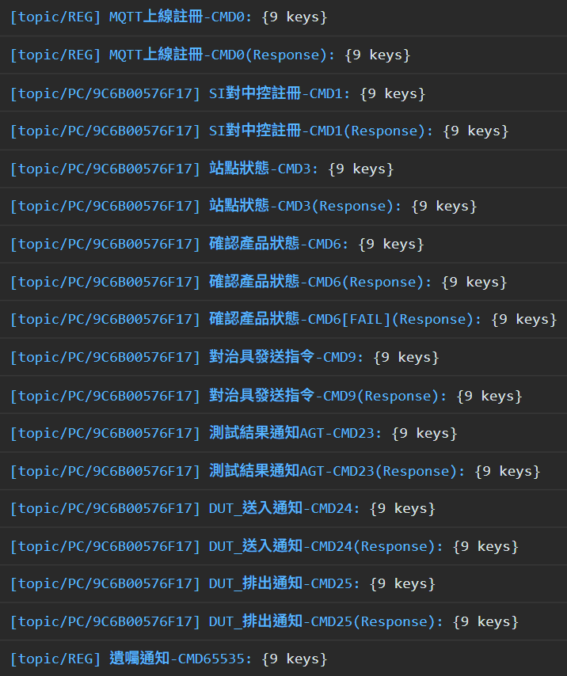
[Topic Name] Detail - CMD# | CMD# | From | To
 | 0 | AGT | Accton | MQTT Online Request
 | 0 | Accton | AGT
 | 1 | AGT | Accton | Register MQTT Topic for Communication
 | 1 | Accton | AGT
 | 3 | AGT | Accton | Publish Current Station Status: Maintain, Open, Close
 | 3 | Accton | AGT
 | 6 | AGT | Accton | Query the DUT Test Result: DUT, FAIL
 | 6 | Accton | AGT
 | 6 | Accton | AGT
 | 9 | AGT | Accton | Send Power-On Command to Fixture
 | 9 | Accton | AGT
 | 23 | Accton | AGT | Get Test Result and SET_RACK_STATUS
 | 23 | AGT | Accton
 | 24 | AGT | Accton | Ack the DUT Feed-In
 | 24 | Accton | AGT
 | 25 | AGT | Accton | Abnormal Handling, Force DUT Out
 | 25 | Accton | AGT
 | 65535 | AGT | Accton | Send WILL Message

